Energy_item
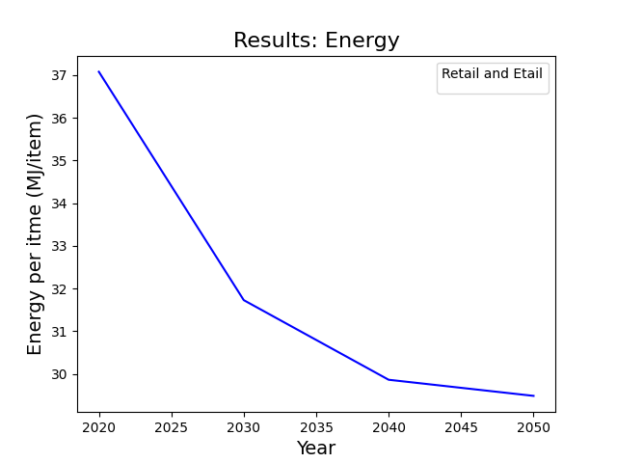
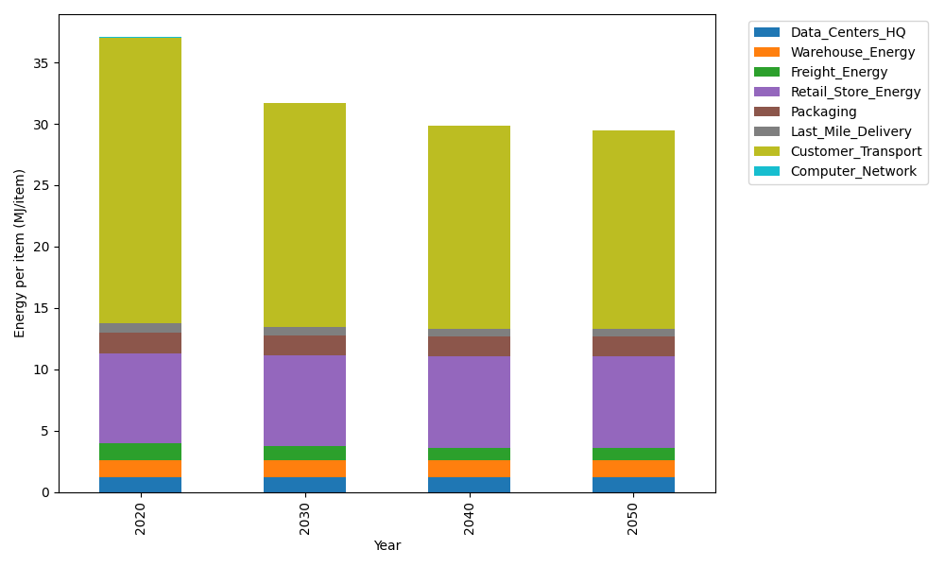
Years | Data_Centers_HQ | Warehouse_Energy | Freight_Energy | Retail_Store_Energy | Packaging | Last_Mile_Delivery | Customer_Transport | Computer_Network | Total
2020 | 1.2374141979 | 1.3410488455 | 1.3784807412 | 7.3100139929 | 1.6916682183 | 0.80716899797 | 23.267880535 | 0.042881298171 | 37.076556827
2030 | 1.2352718172 | 1.3271161228 | 1.1613753422 | 7.4274928124 | 1.6409622826 | 0.63875493145 | 18.25854895 | 0.038322286335 | 31.727844545
2040 | 1.2350053479 | 1.3253831714 | 1.0662043922 | 7.4421048224 | 1.6346554807 | 0.59042725093 | 16.531755309 | 0.037755236657 | 29.863291011
2050 | 1.2351847631 | 1.3265499769 | 1.0511972155 | 7.4322664771 | 1.6389018846 | 0.59125085329 | 16.172584328 | 0.038137034271 | 29.486072533

CO2_item
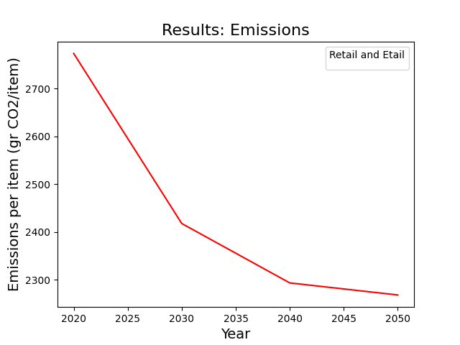
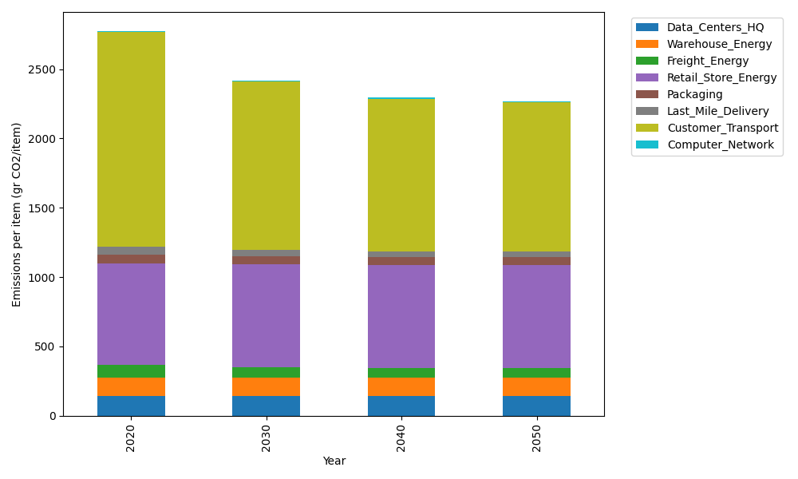
Years | Data_Centers_HQ | Warehouse_Energy | Freight_Energy | Retail_Store_Energy | Packaging | Last_Mile_Delivery | Customer_Transport | Computer_Network | Total
2020 | 140.14711191 | 133.87537195 | 93.866217976 | 728.99305529 | 65.522142061 | 55.406604815 | 1548.3440177 | 7.2330803936 | 2773.3876021
2030 | 139.8644399 | 132.47832755 | 79.043907548 | 740.70866125 | 60.468748115 | 43.846136496 | 1215.0017272 | 6.4640808406 | 2417.8760289
2040 | 139.82928117 | 132.30456323 | 72.521086351 | 742.16584777 | 59.840207213 | 40.528773338 | 1100.0935128 | 6.3684327123 | 2293.6517046
2050 | 139.85295373 | 132.42155968 | 71.484206673 | 741.18471621 | 60.2634072 | 40.58530798 | 1076.1927438 | 6.4328331142 | 2268.4177284

